Instructions
Instructions

 | 0. Make a backup copy of your Scia Engineer project
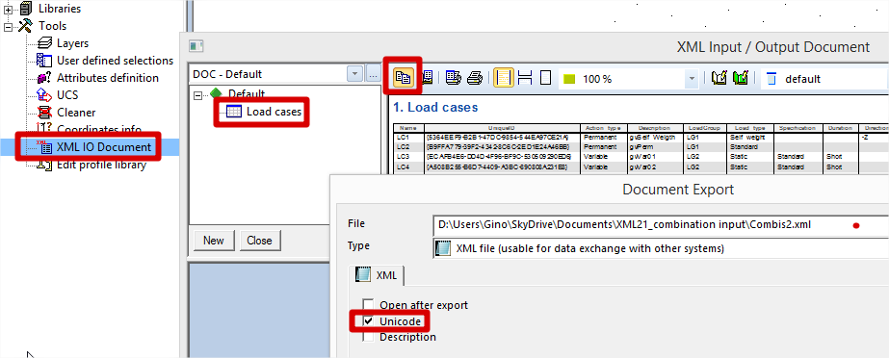

 | 1. Exporting the loadcases from the existing project -->
 |  | Make an Scia Engineer Project
 |  | Define all loadcases in this .esa project
 |  | Export all loadcases via XML
 |  |  | goto Tools > XML IO Document
 |  |  | add the table with loadcases (via Sets > Load Cases)
 |  |  | click the Export button at the top
 |  |  | select 'Unicode'
 |  |  | input a filename and click the [Export!]-button

 | 2. Importing the exported loadcases in the Combi-tab
 |  | Go to the Combi-sheet in this excel workbook
 |  | Click the [Import Load Cases]-button
 |  | Select the XML-file from point 1. (see above)

 | 3. Creating combinations in this excel workbook
 |  | Go to the Combi-sheet in this excel workbook
 |  | Define 1 row per combination
 |  | The column 'Combi ID', 'Name' and 'Type' must be inputted
 |  |  | Item 'Combi ID' equals 1 for the first combination, 2 for the second, 3 for the third, and so on
 |  |  | Item 'Name' equals as string.
 |  |  | Item 'Type' equals:
 |  |  |  | ENVULS | Envelope - ultimate
 |  |  |  | ENVSLS | Envelope - serviceability
 |  |  |  | LINULS or ULS | Linear - ultimate
 |  |  |  | LINSLS or SLS | Linear - serviceability
 |  |  |  | ENULSB or ENULS | EN-ULS (STR/GEO) Set B
 |  |  |  | ENACC1 | EN-Accidental 1
 |  |  |  | ENACC2 | EN-Accidental 2
 |  |  |  | ENSEISM | EN-Seismic
 |  |  |  | ENSLSC or ENSLS | EN-SLS Characteristic
 |  |  |  | ENSLSF | EN-SLS Frequent
 |  |  |  | ENSLSQP | EN-SLS Quasi-permanent
 |  |  |  | ENULSC | EN-ULS (STR/GEO) Set C
 |  |  |  | NLULS | Non-Linear - ultimate
 |  |  |  | NLSLS | Non-Linear - serviceability
 |  | Define a coefficient for each load case

 | 4. Exporting the combinations from this excel workbook
 |  | Go to the Combi-sheet in this excel workbook
 |  | Click the [Export Combi]-button
 |  | Input a name for the XML-file that will contain the definitions of the combinations
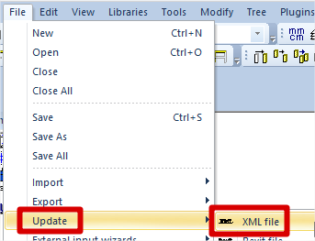

 | 5. Importing the exported combinations into Scia Engineer -->
 |  | Open Scia Engineer
 |  | Open the .esa project from point 1. (see above)
 |  | Select File > Update > XML, and select the exported XML file from point 4. (see above)

 | REMARKS
 |  | DO NOT remove the hidden sheets
 |  | DO NOT add columns or rows in the Combi sheet

